Step3
Category and Module Level Properties

 | Step3. Category and Module Level Properties

 | Table properties can be defined not only for each table separately, but for all tables in some category or a whole module. Separate Properties Table is designed to define this kind of properties. The module and category level properties defined in a Properties Tabel are inherited by tables.

 | Step3-1. Properties Table and its structure

 | This is how you create Properties Table: - the 1st row is table header: keyword "Properties", table name and input (optional); - the 2nd row identifies property level: keyword "scope", keyword "Module" or "Category"; - the 3rd row defines the category if the scope element is set to Category: keyword "category", property values - category name (optional, if no value is specified, the category name of the Table is retrieved from the sheet name); - then you fill the table with property names and its values.

 | Properties
 | scope | Module
 | effectiveDate | 2009-01-01
 | startRequestDate | 2008-06-01

 | Step3-2. The priority of property values

 | *Properties defined at category or module level can be overridden in a table. The priority of property values is following: 1. Table 2. Category 3. Module 4. Default value (some properties might have default values).

 | For example, in this tutorial property effectiveDate is defined on Module level. So in Table PriceForOrder this property is inherited from the Properties table. In WebStudio you might notice that in the Properties section of a given table inherited properties appear in a different color and are accompanied with a link to the Properties table where they are defined:

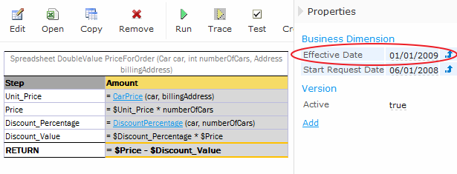

 | At the same time, in the table CarPrice this property is overriden:

